Optimizing_productction_cost
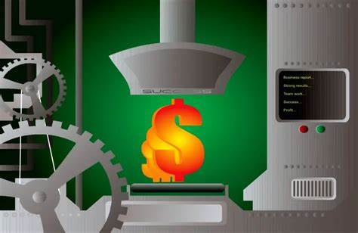
JELLY PRODUCTION OptQuest

Quantity Produced | 1000
Production Cost per Unit | $50.00
Monthly Expenses | $3,000.00

Profit or Loss | $47,000.00

Price-demand parameters:
Slope | -0.1
Intercept | 1000

